Sample 10, 16 & 27 wk variation
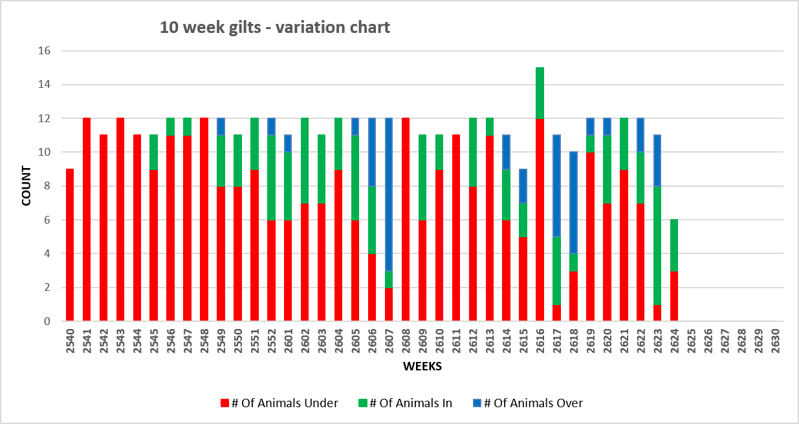
16 weeks gilt variation chart
 | # Of Animals Under | # Of Animals In | # Of Animals Over
2534 | 2 | 2 | 6
2535 | 8 |  | 4
2536 | 2 | 1 | 9
2537 | 4 | 1 | 7
2538 | 6 | 4
2539 | 6 | 4
2540 | 12
2541 | 13
2542 | 8 | 2 | 1
2543 | 11
2544 | 2 | 3 | 5
2545 | 2 | 5 | 3
2546 | 9 | 1 | 2
2547 | 9 | 1 | 2
2548 | 5 | 1 | 6
2549 | 1 | 5 | 3
2550 | 2 | 7 | 2
2551 | 3 | 7 | 1
2552 | 6 | 6
2601 | 5 | 6
2602 | 8 | 3 | 1
2603 | 2 | 7 | 1
2604 | 4 | 8
2605 | 2 | 8 | 2
2606 |  | 7 | 5
2607 | 2 | 2 | 8
2608 | 1 | 5 | 3
2609 | 2 | 7 | 2
2610 | 4 | 5 | 1
2611 | 9 | 1
2612 | 6 | 5 | 1
2613 | 3 | 7
2614 | 2 | 7 | 1
2615 | 2 | 4 | 2
2616 | 7 | 7 | 1
2617 |  | 4 | 8
2618 |  | 4 | 6
2619 | 7 | 5
2620
2621
2622
2623
2624

27 week gilt variation chart
 | # Of Animals Under | # Of Animals In | # Of Animals Over
2523 | 3 | 2 | 2
2524 | 3 | 3 | 4
2525 |  |  | 10
2526 |  | 1 | 9
2527 |  | 1 | 9
2528 |  | 1 | 9
2529 |  | 1 | 11
2530 |  | 2 | 8
2531 | 4 | 3 | 5
2532 |  | 2 | 9
2533 |  | 4 | 7
2534 |  | 9
2535 | 2 |  | 11
2536 |  | 1 | 9
2537 |  | 7 | 4
2538 | 1 |  | 11
2539 |  | 1 | 7
2540 |  | 3 | 7
2541 | 2 | 2 | 8
2542 |  | 3 | 8
2543 | 3 | 8
2544 | 1 | 8 | 1
2545 | 1 | 8
2546 |  | 8 | 1
2547 | 3 | 8 | 1
2548 | 1 | 9 | 2
2549 |  | 5 | 4
2550 |  | 11
2551 |  | 10 | 1
2552 | 2 | 9
2601 | 2 | 6 | 2
2602 | 4 | 7 | 1
2603 |  | 8 | 2
2604 | 1 | 11
2605 |  | 12
2606 | 2 | 9 | 1
2607 |  | 7 | 4
2608 | 1 | 11
2609
2610
2611
2612
2613

Medication Table


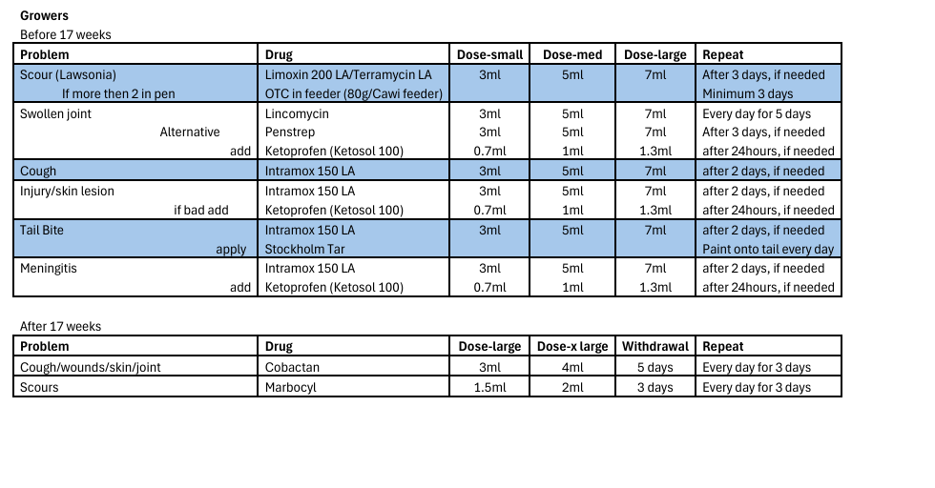

Suckling Piglets
Problem | Symptom | Drug | Dose | Repeat
E.coli | Scour -1st Line | Gentamycin | 0.5ml | every day for 3 days
 | - 2nd Line | Advocin | 0.25ml | every day for 3 days
Joint Ill | Swollen joint | Lincomycin | 0.5ml | every day for 3 days
 | - alternative | Penstrep LA | 0.5ml | after 3 days, if needed
 | -if severe add | Ketoprofen | 0.1ml | after 24hrs, if needed
Injury (facial lesions) |  | Intramox 150 LA | 0.5ml | after 2 days, if needed
 | -if severe add | Ketoprofen | 0.1ml | after 24hrs, if needed
Greasy Pig | Typical skin lesions | Intramox 150 LA | 0.5ml | after 2 days, if needed
Meningitis | Pig cant stand, tremors, paddling | Intramox 150 LA | 0.5ml | after 2 days, if needed
 |  | Ketoprofen | 0.1ml | after 24hrs, if needed

Lactating Sows
Problem | Symptom | Drug | Dose | Repeat
Fever | Sow not eating | Limoxin 200 LA | 24ml | after 3 days, if needed
 |  | Ketoprofen | 5ml | After 24 hrs, if needed
Aided Farrowing | Hand used | Penstrep | 24ml | No
 |  | Ketoprofen | 5ml | No
 |  | Intertocin | 1ml | No
Discharge | Milky vaginal secretion | Limoxin 200 LA | 24ml | after 3 days, if needed
Sore Foot/Injury | Injury or open wound on foot | Intramox 150 LA | 24ml | after 2 days, if needed
 | - if bad add | Ketoprofen | 5ml | After 24 hrs, if needed
Lawsonia | Scours | Alamycin LA | 24ml | after 3 days, if needed
Joint Ill | Swollen Joint | Lincomycin | 24ml | Daily for 3 days
 | - if bad add | Ketoprofen | 5ml | After 24 hrs, if needed

DRY SOWS

Problem | Symptom | Drug | Dose | Repeat
Fever | Sow not eating | Limoxin 200 LA | 24ml | after 3 days, if needed
 |  | Ketoprofen | 5ml | after 24 hrs, if needed
Injury | Cuts on skin | Intramox 150 LA | 24ml | after 2 days, if needed
 | - if bad add | Ketoprofen | 5ml | after 24 hrs, if needed
Discharge | Milky vaginal secretion | Limoxin 200 LA | 24ml | after 3 days, if needed
Joint Ill | Swollen Joint | Lincomycin | 24ml | Daily for 3 days
 | - if bad add | Ketoprofen | 5ml | after 24 hrs, if needed
Abscess | soft lump | Penstrep | 24ml | after 3 days, if needed
 | - if bad add | Ketoprofen | 5ml | after 24 hrs, if needed
Lawsonia | Scours | Limoxin 200 LA | 24ml | after 3 days, if needed
sore foot |  | teremycin | 1ml /10kg | treat for 3 days
 |  | inflacam
fighting |  | inflacam
 | if severe | penstrep

Service Line Feed Schedule
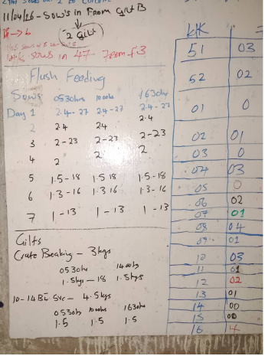
WEANED SOW AND GILTS FLUSH FEED
 | FH | SVCL | SCL | SVCL
DAY |  | TM 05:30 | TM 11:00 | TM 16:00 | TOTAL
THERSDAY | 2.5 | 2.2 | 2.2 | 2.2 | 9.1
FRIDAY |  | 2.2 | 2.2 | 2.2 | 6.6
SATURDAY |  | 2.2 | 2.2 | 2.2 | 6.6
SUNDAY |  | 2 | 2 | 2 | 6
MONDAY |  | 1.8 | 1.8 | 1.8 | 5.4
TUESDAY |  | 1.6 | 1.6 | 1.6 | 4.8
WEDNESDAY |  | 1.3 | 1.3 | 1.3 | 3.9

GILTS |  | 1.6 | 1.6 | 1.6 | 4.8

IF ITS EARLIER THAN 14 DAYS |  | 1.3 | 1.3 | 1.3 | 3.9

